Sample Application Form
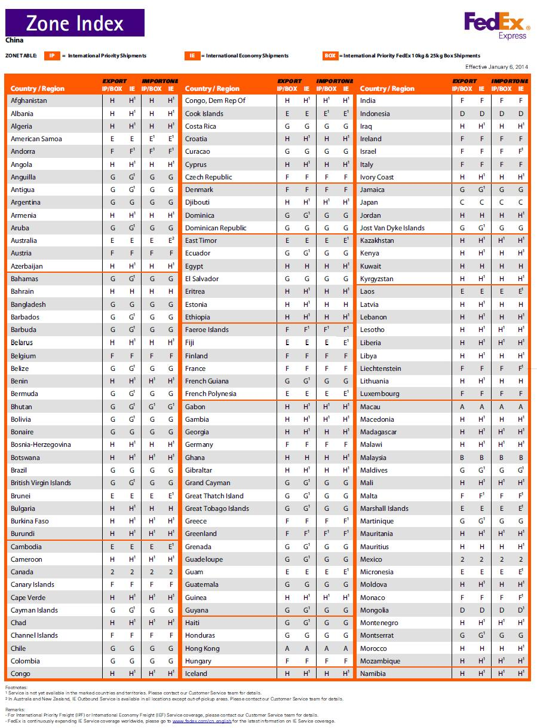
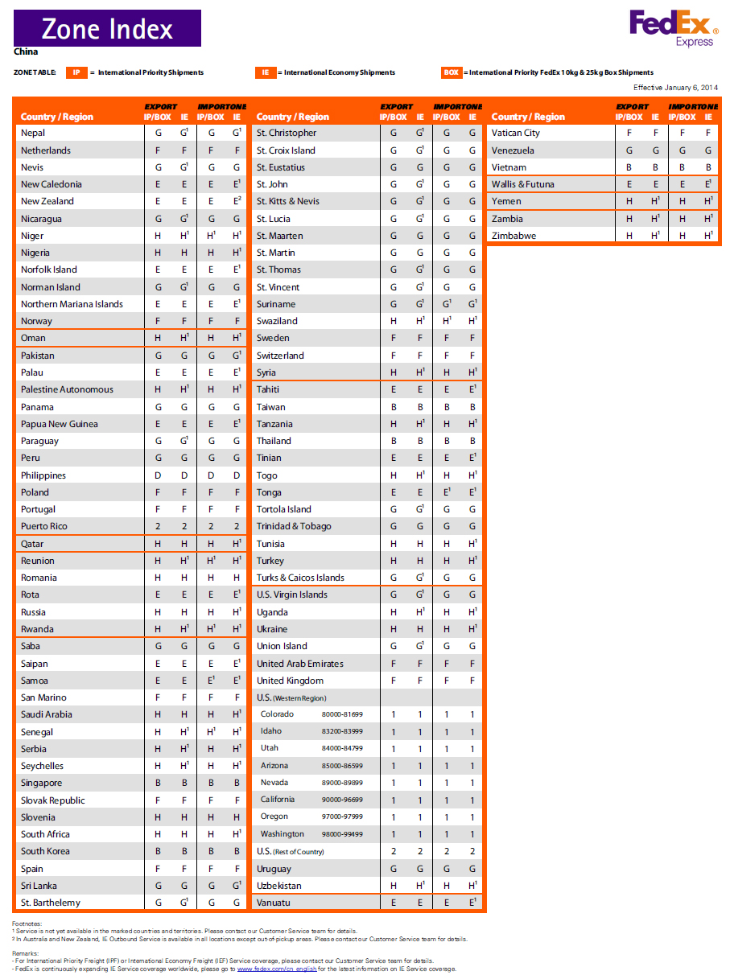
ID Innnovations ABN:14 084 469 901
21 Sedges Grove, Canning Vale, WA6155, Australia
TEL: +61 8 94554615 FAX: +61 649553615
www.id-Innovations.com help@id-innovations.com
 Purchase Order
Order Detail
P.O.Number. |  |  | Date |  |  |  | VAT No.
Company name |  |  | Contact person |  |  |  | position
Country |  |  | Bill address
Tel/Fax |  |  | Delivery address
Shipping Account |  |  |  |  | If you have not "Shipping Account",Please fill in "Shipping Cost".
Website |  |  | E-mail
Notes
Proforma Invoice and Payment |  |  |  |  |  | PI Number | To be confirmed
Account Name | Malpure Pty Ltd |  | Prepared By: Wendy Jiang |  | The minimum to quote as the account number is the 6 digits (6xxxxx) and the Currency
Account Number | 11985609
Beneficiary Bank | Commonwealth Bank of Australia
Bank address | 201 Sussex Street, Sydney, NSW 2000, Australia |  |  |  | IMPORTANT - Please make sure your payment includes all the above details including the BSB number. To keep our office overhead down please ensure your payment amount on TT is in Full amount.
SWIFT CODE | CTBAAU2S
BSB Number | 066000
Other Payment | Paypal account: wendy@id-innovations.com

Order Quotation
Item | Product Name | Unit price (USD) | Discount(%) | Discounted unit price (USD) | Quantity | Cost (USD)
1 | ID-3LA | $24.00 | 0.00% | $24.00 |  | $0.00
2 | ID-12LA | $25.00 | 0.00% | $25.00 |  | $0.00
3 | ID-20LA | $26.00 | 0.00% | $26.00 |  | $0.00
4 | ID-3LA-SA | $26.00 | 0.00% | $26.00 |  | $0.00
5 | ID-12LA-SA | $27.00 | 0.00% | $27.00 |  | $0.00
6 | ID-20LA-SA | $28.00 | 0.00% | $28.00 |  | $0.00
7 | ID-3LA-LP | $27.00 | 0.00% | $27.00 |  | $0.00
8 | ID-12LA-LP | $28.00 | 0.00% | $28.00 |  | $0.00
9 | ID-20LA-LP | $29.00 | 0.00% | $29.00 |  | $0.00
10 | ID-3UP | $29.00 | 0.00% | $29.00 |  | $0.00
11 | ID-12UP | $30.00 | 0.00% | $30.00 |  | $0.00
12 | ID-20UP | $32.00 | 0.00% | $32.00 |  | $0.00
13 | ID-3LA-HE | $27.00 | 0.00% | $27.00 |  | $0.00
14 | ID-12LA-HE | $28.00 | 0.00% | $28.00 |  | $0.00
15 | ID-12LA-HE-N (PCB + coil only based on ID-12LA-HE standard module without housing and epox) | $28.00 | 0.00% | $28.00 |  | $0.00
16 | ID-20LA-HE | $29.00 | 0.00% | $29.00 |  | $0.00
17 | ID-3LA-ISO | $25.00 | 0.00% | $25.00 |  | $0.00
18 | ID-12LA-ISO | $26.00 | 0.00% | $26.00 |  | $0.00
19 | ID-20LA-ISO | $27.00 | 0.00% | $27.00 |  | $0.00
20 | ID-3HP-A (2.0mm PIN 125khz high power module only) *The individual module purchase is available for 5pcs as MOQ . DM-3HP-A Demo kit is available for 1pcs order => go Item 54 | $200.00 | 0.00% | $200.00 |  | $0.00
21 | ID-3HP-ISO-A(2.0 mm PIN 134.2khz high power module only) *The individual module purchase is available for 5pcs as MOQ . DM-3HP-A Demo kit is available for 1pcs order => go Item 56 | $200.00 | 0.00% | $200.00 |  | $0.00
21.01 | DM-3HP A/B Demo kit is available for 1pcs order --> Click to choose | $205.00 | 0.00%
22 | ID-3HP-B(2.54mm PIN 125khz high power module only) *The individual module purchase is available for 5pcs as MOQ. DM-3HP-B Demo kit is available for 1pcs order => go Item 55 | $200.00 | 0.00% | $200.00 |  | $0.00
23 | ID-3HP-ISO-B(2.54mm PIN 134.2khz high power module only) *The individual module purchase is available for 5pcs as MOQ. DM-3HP-ISO-B Demo kit is available for 1pcs order=> go Item 57 | $200.00 | 0.00% | $200.00 |  | $0.00
 | DM-3HP-ISO A/B Demo kit is available for 1pcs order --> click to choose | $205.00 | 0.00% | $205.00 |  | $0.00
24 | ID-22 | $198.00 | 0.00% | $198.00 |  | $0.00
25 | ID-40 | $120.00 | 0.00% | $120.00 |  | $0.00
26 | ID-20WR-LF | $38.00 | 0.00% | $38.00 |  | $0.00
27 | ID-20WR-MF | $29.00 | 0.00% | $29.00 |  | $0.00
28 | ID-20MF7-IA(14443) | $27.00 | 0.00% | $27.00 |  | $0.00
29 | ID-20MF-WA-FV(15693) | $27.00 | 0.00% | $27.00 |  | $0.00
30 | ID-20-MF7-FV(15693) | $27.00 | 0.00% | $27.00 |  | $0.00
31 | IIMF-245 (14443) | $24.00 | 0.00% | $24.00 |  | $0.00
32 | IIMF-145 (14443) | $22.00 | 0.00% | $22.00 |  | $0.00
33 | BK1 2.54mm Breakout board | $2.00 | 0.00% | $2.00 |  | $0.00
34 | CL20-a Coil | $7.00 | 0.00% | $7.00 |  | $0.00
35 | CL20-b Coil | $7.00 | 0.00% | $7.00 |  | $0.00
36 | CL40-a Coil | $10.00 | 0.00% | $10.00 |  | $0.00
37 | CL40-b Coil | $10.00 | 0.00% | $10.00 |  | $0.00
38 | DM-3LA Demo kit | $45.00 | 0.00% | $45.00 |  | $0.00
39 | DM-12LA Demo kit | $45.00 | 0.00% | $45.00 |  | $0.00
40 | DM-20LA Demo kit | $45.00 | 0.00% | $45.00 |  | $0.00
41 | DM-3LA-HE Demo Kit | $45.00 | 0.00% | $45.00 |  | $0.00
42 | DM-12LA-HE Demo Kit | $45.00 | 0.00% | $45.00 |  | $0.00
43 | DM-20LA-HE Demo Kit | $45.00 | 0.00% | $45.00 |  | $0.00
44 | DM-3LA-ISO Demo Kit | $45.00 | 0.00% | $45.00 |  | $0.00
45 | DM-12LA-ISO Demo Kit | $45.00 | 0.00% | $45.00 |  | $0.00
46 | DM-20LA-ISO Demo Kit | $45.00 | 0.00% | $45.00 |  | $0.00
47 | DM-3LA-LP Demo Kit | $45.00 | 0.00% | $45.00 |  | $0.00
48 | DM-12LA-LP Demo Kit | $45.00 | 0.00% | $45.00 |  | $0.00
49 | DM-20LA-LP Demo Kit | $45.00 | 0.00% | $45.00 |  | $0.00
50 | DM-3LA-SA Demo Kit | $45.00 | 0.00% | $45.00 |  | $0.00
51 | DM-12LA-SA Demo Kit | $45.00 | 0.00% | $45.00 |  | $0.00
52 | DM-20LA-SA Demo Kit | $45.00 | 0.00% | $45.00 |  | $0.00
53 | DM-12uP2 Demo Kit | $48.00 | 0.00% | $48.00 |  | $0.00
54 | DMA-3HP Demo kit (ID-3HP + demoboard + Antenna + Antenna tunning board + ISO card) (2.0mm PIN) | $230.00 | 0.00% | $230.00 |  | $0.00
55 | DMB-3HP Demo kit (ID-3HP + demoboard + Antenna + Antenna tunning board + ISO card) (2.54mm PIN) | $230.00 | 0.00% | $230.00 |  | $0.00
56 | DMA-3HP-ISO Demo kit (ID-3HP-ISO + demoboard + Antenna + Antenna tunning board + ISO card) (2.0mm PIN) | $230.00 | 0.00% | $230.00 |  | $0.00
57 | DMB-3HP-ISO Demo kit (ID-3HP-ISO + demoboard + Antenna+Antenna tunning board + ISO card) (2.54mm PIN) | $230.00 | 0.00% | $230.00 |  | $0.00
58 | DMA-3HP Demokit Lite (ID-3HP-ISO + demoboard excluding antenna) (2.0mm PIN) | $178.00 | 0.00% | $178.00 |  | $0.00 |  | 230
59 | DMB-3HP Demokit Lite (ID-3HP-ISO + demoboard excluding antenna) (2.54mm PIN) | $178.00 | 0.00% | $178.00 |  | $0.00
60 | DMA-3HP-ISO Demokit Lite (ID-3HP-ISO + demoboard excluding antenna) (2.0mm PIN) | $178.00 | 0.00% | $178.00 |  | $0.00
61 | DMB-3HP-ISO Demokit Lite (ID-3HP-ISO + demoboard excluding antenna) (2.54mm PIN) | $178.00 | 0.00% | $178.00 |  | $0.00
62 | DM 101 for MF | $55.00 | 0.00% | $55.00 |  | $0.00
63 | DM101 for MF7 | $55.00 | 0.00% | $55.00 |  | $0.00
64 | DM 101 for ID-20WR-LF | $55.00 | 0.00% | $55.00 |  | $0.00
65 | Demo board for SA with 1 ISO card + 1 clamshell card | $18.00 | 0.00% | $18.00 |  | $0.00
66 | Demo board for UP with 1 ISO card + 1 clamshell card | $20.00 | 0.00% | $20.00 |  | $0.00
67 | Demo board for LA/HE/ISO/LP with1 ISO card + 1 clamshell card | $18.00 | 0.00% | $18.00 |  | $0.00
68 | DMU-1 USB carrier board | $28.00 | 0.00% | $28.00 |  | $0.00
69 | Demo board for ID-20WR-LF/MF With 1 ISO card + 2 clamshell card | $30.00 | 0.00% | $30.00 |  | $0.00
70 | Programmer_ DM-101-LF 3 in 1 | $120.00 | 0.00% | $120.00 |  | $0.00
71 | Key Card (125kHz) | $1.80 | 0.00% | $1.80 |  | $0.00
72 | Key Card for (13.56kHz) | $3.50 | 0.00% | $3.50 |  | $0.00
73 | Clamshel Card (125kHz) read/write | $2.20 | 0.00% | $2.20 |  | $0.00
74 | ISO Card (125kHz) read/write | $1.95 | 0.00% | $1.95 |  | $0.00
75 | ISO Card for (125kHz) read only | $1.80 | 0.00% | $1.80 |  | $0.00
76 | ISO Card (13.56kHz) | $2.00 | 0.00% | $2.00 |  | $0.00
77 | ABS RFID Tag-30mm | $1.80 | 0.00% | $1.80 |  | $0.00
78 | Transparent Tag-30mm | $1.80 | 0.00% | $1.80 |  | $0.00
79 | Glass tag(125kHz) | $4.00 | 0.00% | $4.00 |  | $0.00
80 | HID Card | $2.80 | 0.00% | $2.80 |  | $0.00
81 | High tempture tag-15mm/16mm(125kHz) | $4.00 | 0.00% | $4.00 |  | $0.00
82 | High tempture tag-22mm(125kHz) | $4.00 | 0.00% | $4.00 |  | $0.00
83 | Self adhesive tag 18mm(125kHz) | $1.80 | 0.00% | $1.80 |  | $0.00
84 | Self adhesive tag 20mm(125kHz) | $1.80 | 0.00% | $1.80 |  | $0.00
85 | Self adhesive tag 25mm(125kHz) | $1.80 | 0.00% | $1.80 |  | $0.00
86 | Self adhesive tag 30mm(125kHz) | $1.80 | 0.00% | $1.80 |  | $0.00
87 | Shipping cost |  |  |  |  | $0.00
Insurance fee | Delate "1" for the item not applicable | $15.00 |  |  | 1 | $15.00
Bank cost | Delate "1" for the item not applicable | $35.00 |  |  | 1 | $35.00
Paypal cost |  | $0.72 |  |  | 1 | $0.72
Export license fee is payable if the total order value(including shipping insurance, bank cost, etc) exceeding USD700.00/per shipment |  |  |  |  | Sub Total (USD) | 50.72
 |  |  |  | Export license fee (USD) |  | 0.00
 |  |  |  |  | Total payable amount | USD 50.72
Please KEEP the payment currency in USD when pay through Paypal or bank transfer.

Terms:
1) Unless otherwise stated, the above gooods are sold subject to the condition that it is the customers responsability to ensure that compliance to local Electronic conformity/manufacturing and Emission standards are met.
2) Liability shall be limited to replacement of defective parts within a time of 1 year from date of purchase.
3) Unless otherwise stated the ownership of the goods will be transferred to the buyer at the time of acceptance of goods by the buyer's carrier. Customers are therefore advised to insure all goods for loss or damage.
4) A copy of the full terms and conditions is obtainable from ID Innovations head office.
5) Buyer agrees to pay for any local import duty or tax.

Shipping Cost
Parts Quantity per 0.5 kilogramme
 | Product name | 0.5KG
1 | ID3 series | 1-60PCS
2 | ID12 series | 1-50PCS
3 | ID20 series | 1-20PCS
Zone index |  | Please fill the shipment QTY at your location zone |  |  |  | RATE for 0.5kg (USD) | Shipping Cost (USD)
A |  |  |  |  |  | $51.61 | $0.00
B |  |  |  |  |  | $55.19 | $0.00
D |  |  |  |  |  | $63.14 | $0.00
E |  |  |  |  |  | $63.34 | $0.00
F |  |  |  |  |  | $73.86 | $0.00
G |  |  |  |  |  | $78.96 | $0.00
H |  |  |  |  |  | $79.69 | $0.00
M |  |  |  |  |  | $44.68 | $0.00
N |  |  |  |  |  | $55.49 | $0.00
O |  |  |  |  |  | $61.06 | $0.00
Q |  |  |  |  |  | $52.70 | $0.00
R |  |  |  |  |  | $36.16 | $0.00
S |  |  |  |  |  | $48.64 | $0.00
T |  |  |  |  |  | $48.64 | $0.00
U |  |  |  |  |  | $53.64 | $0.00
V |  |  |  |  |  | $39.50 | $0.00
X |  |  |  |  |  | $46.16 | $0.00
Y |  |  |  |  |  | $52.76 | $0.00
Z |  |  |  |  |  | $45.60 | $0.00
1 |  |  |  |  |  | $48.26 | $0.00
2 |  |  |  |  |  | $48.26 | $0.00
Total shipping cost |  |  |  |  |  |  | USD0.00

